Instructions
Club Sports Purchase Request and Supporting Documents

Purchase Request Form
1. Choose your team from the Club Sport dropdown menu.
2. Add Preparer’s contact info.
3. Choose the Funding Category from the dropdown menu (i.e. Equipment, Facility Rental, League Dues, Entry/Registration Fees)
4. Event Name should specify the event, if applicable.
5. Event Date should specify the date of the event, if applicable.
6. Date Needed should be no less than six weeks from date purchase request is submitted.

7. Vendor information is filled out completely. The contact info is very important for setting the vendor up as an approved vendor with UConn.

8. Confirm that there are no discrepancies between the Purchase Request (description, quantity and price) and quotes in supporting documents.
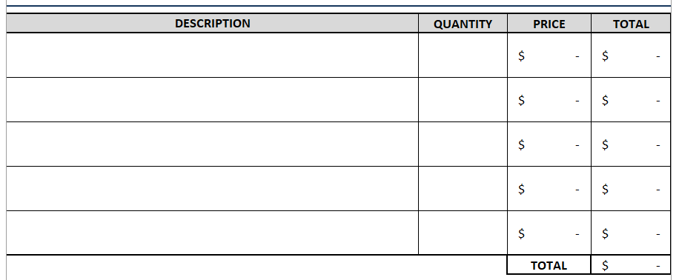

9. Provide a justification for the team’s request.
10. In the Notes, add special payment instructions here (i.e. Invoice must be paid in full by 12/31/21 in order to get early bird pricing).

11. The team’s president or treasurer must sign the Purchase Request.
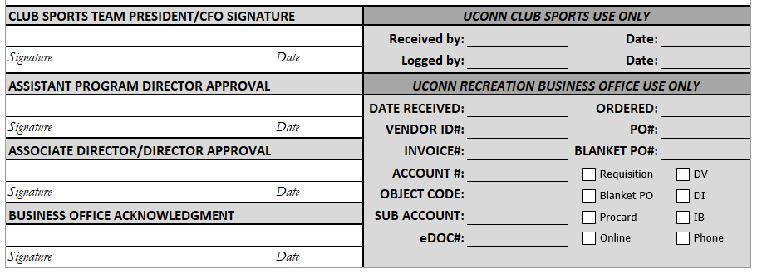

Supporting Documents
The Purchase Request and Supporting Documents must be combined into one PDF file and emailed to competitivesports@uconn.edu. The following supporting documents are required for each funding category:

Equipment
1. Quote - a pdf showing vendor, item description, quantity of each item, price of each item and total cost including shipping charges.
2. Step-by-Step Payment Instructions.
a. Vendor’s preferred payment method (credit card or check).
i. If check, need remittance address. Since a check cannot be provided prior to receiving equipment, UConn would issue a purchase order when order is placed.
b. Links and log in information
c. Screenshots of payment screen.
3. Team Roster - A pdf of current team roster from myRec.

Facility Rental
1. Quote - a pdf of an itemized quote from vendor which includes dates, total amount of hours for each practice, cost per practice and total cost.
2. Step-by-Step Payment Instructions.
a. Vendor’s preferred payment method (credit card or check)
i. If check, need remittance address. Since a check cannot be provided prior renting facility, UConn would issue a purchase order to secure facility (i.e. court time for Tennis team).
b. Links and log in information
c. Screenshots of payment screen.
3. Team Roster - A pdf of current team roster from myRec.

League Dues
1. Invoice - a pdf with a screenshot of league website or an email outlining the league dues (cost per person or team) and payment deadline.
2. Step-by-Step Payment Instructions.
a. Vendor’s preferred payment method (credit card or check)
i. If check, need remittance address. Since a check cannot be provided prior renting facility, UConn would issue a purchase order to secure facility (i.e. court time for Tennis team).
b. Links and log in information
c. Screenshots of payment screen.
3. Team Roster - A pdf of current team roster from myRec.

Entry/Registration Fees
1. Invoice - a pdf with a screenshot of event website or an email outlining the registration information showing the following cost per person or group and payment deadline (i.e. early bird and regular).
2. Event confirmation - the event confirmation can include fliers, screenshot of website and/or agenda including event dates and locations.​
3. If the entire team is not being registered for an event, provide a list of the students (by event) for whom the registration fees are being paid.
4. Step-by-Step Payment Instructions.
a. Vendor’s preferred payment method (credit card or check)
i. If check, need remittance address. Since a check cannot be provided prior renting facility, UConn would issue a purchase order to secure facility (i.e. court time for Tennis team).
b. Links and log in information
c. Screenshots of payment screen.
5. Is a Promise-to-Pay needed? If we stick to requiring Purchase Requests six weeks before event, these will not be needed.
6. A pdf of current team roster from myRec.

